AGRE RESULT
Unit | Value Driver | Profit Centre | Jul-13 | Aug-13 | Sep-13 | Oct-13 | Nov-13 | Dec-13 | Jan-14 | Feb-14 | Mar-14 | Apr-14 | May-14 | Jun-14 | Total
Kootha | Revenues | 001 Private Water Hedge Sales | $3,094,537.00 | $2,980,521.81 | $2,752,413.74 | $2,732,151.94 | $2,885,028.01 | $2,815,308.38 | $4,092,821.36 | $3,622,839.56 | $3,818,238.10 | $2,789,853.53 | $2,822,646.29 | $2,712,379.18 | $37,118,738.91
Kootha | Revenues | 002 Public Sales | $1,523,285.84 | $1,467,161.86 | $1,354,875.66 | $1,344,901.79 | $1,420,155.04 | $1,385,835.55 | $2,014,691.31 | $1,783,342.78 | $1,879,527.71 | $1,373,305.40 | $1,389,447.64 | $1,335,168.65 | $18,271,699.23
Kootha | Revenues | 003 Residential Sales | $1,296,758.36 | $1,248,980.57 | $1,153,392.42 | $1,144,901.76 | $1,208,964.12 | $1,179,748.27 | $1,715,087.05 | $1,518,142.29 | $1,600,023.59 | $1,169,081.48 | $1,182,823.21 | $1,136,616.04 | $15,554,519.16
Surjek | Revenues | 001 Private Water Hedge Sales | $7,220,021.24 | $6,085,131.02 | $6,723,291.72 | $6,313,180.53 | $5,763,708.67 | $6,484,566.51 | $9,314,190.68 | $6,750,396.14 | $8,185,283.66 | $6,778,514.60 | $6,094,707.71 | $6,735,069.70 | $82,448,062.15
Surjek | Revenues | 002 Public Sales | $5,968,550.89 | $5,030,374.97 | $5,557,921.15 | $5,218,895.90 | $4,764,665.83 | $5,360,574.98 | $7,699,730.96 | $6,985,660.81 | $6,766,501.16 | $6,603,572.07 | $5,038,291.70 | $5,567,657.62 | $70,562,398.05
Surjek | Revenues | 003 Residential Sales | $4,139,478.84 | $3,488,808.45 | $3,854,687.25 | $3,619,556.84 | $3,304,526.30 | $3,717,818.13 | $5,340,135.99 | $4,844,893.79 | $4,692,895.96 | $4,886,348.37 | $3,494,299.08 | $3,861,439.96 | $49,244,888.97
Jutik | Revenues | 001 Private Water Hedge Sales | $5,298,686.16 | $5,854,268.28 | $5,098,113.72 | $4,506,567.61 | $4,950,718.52 | $4,219,638.26 | $6,454,620.58 | $6,573,684.68 | $5,896,579.85 | $6,254,734.08 | $6,161,098.06 | $6,591,800.77 | $67,860,510.57
Jutik | Revenues | 002 Public Sales | $4,380,247.23 | $3,839,528.45 | $5,214,440.67 | $4,725,429.23 | $4,092,593.98 | $4,488,234.29 | $5,335,819.68 | $5,434,246.00 | $4,874,506.01 | $5,170,580.17 | $5,093,174.40 | $5,449,221.97 | $58,098,022.07
Jutik | Revenues | 003 Residential Sales | $3,037,913.40 | $3,356,447.15 | $2,922,918.53 | $2,583,765.43 | $2,838,411.95 | $2,419,259.27 | $3,700,649.14 | $3,768,912.55 | $3,380,705.78 | $3,586,047.54 | $3,032,362.89 | $3,079,299.11 | $37,706,692.73
 |  |  |  |  |  |  |  |  |  |  |  |  |  |  | $436,865,531.84
Jutik Revenue Chart
Kotha Revenue Chart
Surjek Revenue Chart

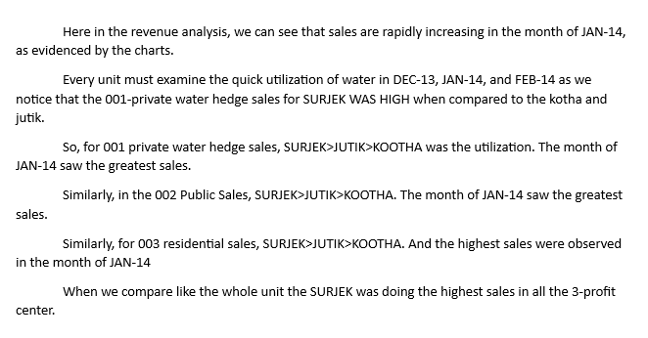
kotha vs surjek vs jutik private water sales
kotha vs surjek vs jutik public water sales

Total
 | 001 Private Water Hedge Sales | 002 Public Sales | 003 Residential Sales | Total
Kootha | $37,118,738.91 | $18,271,699.23 | $15,554,519.16 | $70,944,957.30
Surjek | $82,448,062.15 | $70,562,398.05 | $49,244,888.97 | $202,255,349.17
Jutik | $67,860,510.57 | $58,098,022.07 | $37,706,692.73 | $163,665,225.38
 |  |  |  | $436,865,531.84

Total sales
stacked column chart

